0.0 READ ME - Instructions
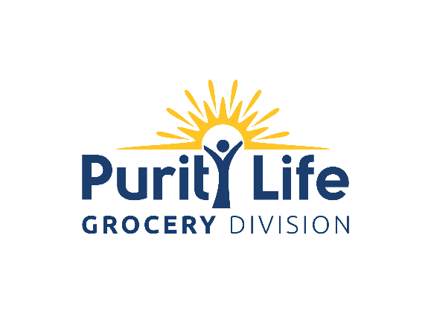

How Do I Submit My New Grocery Product to Purity Life Grocery For Distribution?
STEP 1 - Vendor/Broker New Product Listing Submission to Purity Life Grocery
1) Vendor/Broker to complete and email the Grocery New Product Listing SHORT FORM to: grocerylistings@horizondistributors.com 2) Submit samples of each of the products you are presenting. Include a live physical sample and a digital label image that clearly shows the UPC required for each SKU on your listing form. Samples and images must show Canadian compliant packaging. At minimum, please send one unit of each item in CFIA compliant Canadian packaging to the address below. PLEASE NOTE: All submissions must be accompanied by a physical sample before they are reviewed. Samples are not returnable. ATTN: New Products Team Purity Life Grocery 5589 Trapp Avenue Burnaby, BC V3N 0B2

What Happens if Purity Life Grocery is Interested in Reviewing My Product ?
STEP 2 - Purity Life Grocery to Request Additional Information From Vendor
If the Purity Life Grocery Procurement Team reviews and pre-approves* your product line you will receive an EMAIL containing a full New Product Listing Package so we can perform a full review and finalize the listing process (* Pre-approval indicates our intention to list; confirmation is dependent upon final review). The full New Product Listing Package will contain: 1) Your New Product Listing LONG FORM - an expanded version of your original "New Product Listing SHORT FORM" renamed "New Product Listing LONG FORM " for you to complete. 2) A link to Purity Life Grocery's "Prospective New Supplier" SharePoint site to view submission requirements and download all New Product Listing Package documents. Vendor/Broker must email completed New Product Listing Packages (include New Product Listing LONG FORM, product images, marketing materials and certificates) to: grocerylistings@horizondistributors.com
6 Key Things For Vendors to Remember

1. Filling out the Form
Do not alter the form in any way.
If cell is not relevant to your product, note as N/A. Do not leave any blank cells.
Enter item ingredients exactly as written on item package.

NOTE: Ensure the information you provide is accurate and complete. Forms that contain inaccurate/missing information will be returned for completion and will delay product evaluation.

2. Product Documentation + Certifications
Provide proof of certification (copies of originals) for claims on packaging:
Organic (i.e. Canada Organic, USDA Organic, etc.)
Fair Trade (i.e. Fairtrade Canada, WFTO etc.)
Non-GMO Project Verified
Gluten Free
Kosher
Halal
Provide copy of CUSMA Certificate, if applicable.
NOTE: Ensure your certificates are up to date and not expiring in the coming months. Expired certificates will delay listing.
3. Product Samples + Marketing Images
Include a live physical sample and a digital label image that clearly shows the UPC required for each SKU on your listing form. Samples and images must show Canadian compliant packaging.
NOTE: Labels must show front and back panel, ingredients and nutritional panels.

4. Product Specifications
Equivalent spoils allowance must be provided to Purity Life Grocery if other distributors receive an allowance.
NOTE: Product arriving at Purity Life Grocery dock with less than guaranteed shelf life will not be accepted under any circumstances.

5. Pricing and Marketing Information
We require a minimum introductory deal of 10% OI on opening order. MCB's not accepted. To calculate Suggested Retail Pricing please see tab 3.0 SRP Calculation Example
NOTE: Purity Life Grocery will not accept price changes within 90 days of listing a new product line.
6. Free Fills
Key accounts require free fills - 1 case per sku per store. Vendor's inability to provide free fills may adversely affect listing at Purity Life Grocery.

2.0 Accounting Information
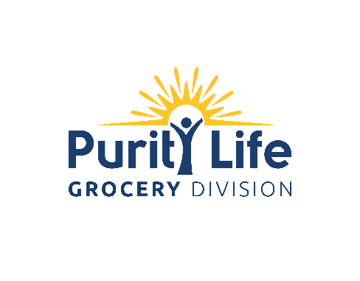
 | NEW VENDOR INFORMATION

 | Please note: Standard payment terms are 2%10/net 30 unless alternate arrangements are negotiatied.

 | VENDOR NAME:
 | VENDOR CODE:
 | OFFICE ADDRESS: | Street:
 |  | City: |  | Prov/State:
 |  | Phone: |  | Postal/Zip Code:
 |  |  |  | Country:
 | PICK UP ADDRESS: (if different) | Street:
 |  | City: |  | Prov/State:
 |  | Phone: |  | Postal/Zip Code:
 |  |  |  | Country:
 | SHIP TO ADDRESS: (if not Purity Life Grocery) | Street:
 |  | City: |  | Prov/State:
 |  | Phone: |  | Postal/Zip Code:
 |  |  |  | Country:
 | A/R CONTACT | Name:
 |  | Email:
 |  | Phone:
 | TERMS | Net Terms: |  | Terms Description:
 |  | Discount %: |  | Discount Description:
 |  | Currency:
 |  | FOB:
 | LEAD-TIME | Shipping Lead-Time:
 |  | Arrival Lead- Time:
 | REMARKS

 | PURITY LIFE GROCERY USE ONLY
 | PURCHASER: |  | DATE REQUESTED:
 | ENTERED BY: |  | DATE ENTERED:

